Sheet1
1. The following decision tree is built up from one of animal classification datasets. Please calculate information gains based on gini impurity from top to each leaf

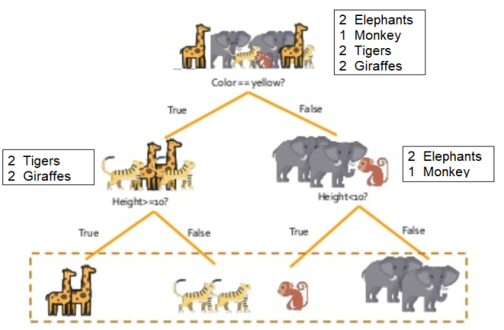

 |  | Initial: Impurity of root
 |  |  | imp = P(E)*(1-P(E)) + P(M)*(1-P(M)) + P(T)(1-P(T))+P(G)(1-P(G))
 |  |  | = (2/7)*(1-2/7) + (1/7)*(1-1/7) + (2/7)*(1-2/7)+(2/7)(1-2/7)
 |  |  | = (2/7)*(5/7) + (1/7)*(6/7) + (2/7)*(5/7)+(2/7)*(5/7)
 |  |  | = 10/49+6/49+10/49+10/49= 0.734694

 |  | Ave imp = 7/7 * imp = 7/7 * 0.734694= 0.734694

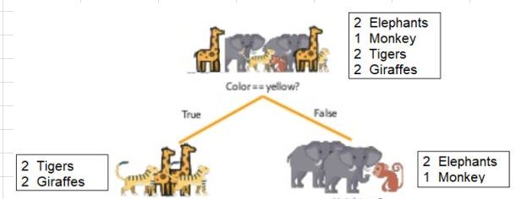
 | Level 1: Impurity
 |  | Left subtree :
 |  |  | imp = P(T)(1-P(T))+P(G)(1-P(G))
 |  |  | = (2/4)*(1-2/4)+(2/4)(1-2/4)
 |  |  | = (2/4)*(2/4) + (2/4)*(2/4)
 |  |  | =4/16 + 4/16 = 8/16 = 0.5

 |  | Right subtree:
 |  |  | imp = P(E)*(1-P(E)) + P(M)*(1-P(M))
 |  |  | = (2/3)(1-2/3)+(1/3)(1-1/3)
 |  |  | =(2/3)(1/3)+(1/3)(2/3)
 |  |  | =2/9+2/9
 |  |  | =4/9 =0.4444

 |  | Ave imp = 4/7 * 0.734694+ 3/7 * 0.4444 = 0.610282

 | Information Gain in root and level 1:
 |  | Info Gain = Ave Imp. of Root- Ave Imp. of Level 1
 |  | = 0.734694 - 0.4444 = 0.290294

 | Level 2: Impurity
 |  | Left subtree : Height>=10?
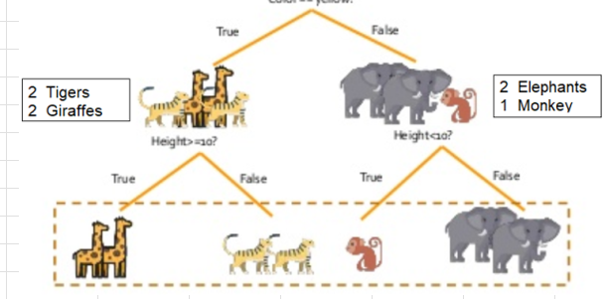
 |  |  | Left:
 |  |  | imp = P(G)(1-P(G))
 |  |  | =(2/2)(1-2/2)
 |  |  | = 1(1-1) =0

 |  |  | Right:
 |  |  | imp = P(T)(1-P(T))
 |  |  | =(2/2)(1-2/2)
 |  |  | = 1(1-1) =0

 |  | Right subtree: Height<10?

 |  |  | Left:
 |  |  | imp = P(M)(1-P(E))
 |  |  | =(1/1)(1-1/1)
 |  |  | = 1(1-1) =0

 |  |  | Right:
 |  |  | imp = P(E)(1-P(E))
 |  |  | =(2/2)(1-2/2)
 |  |  | = 1(1-1) =0

 | Ave imp = 2/7 * 0+ 2/7 * 0+1/7*0 + 2/7 *0 = 0

 | Information Gain in root and level 2:
 |  | Info Gain = Ave Imp. of Root- Ave Imp. of Level 1
 |  | = 0.734694 - 0 = 0.734694

